Coaches
 |  |  |  | KHSAA
 |  |  |  | Officials Supervisor, Keith Morgan
 |  |  | Please share your entire game or selected plays on HUDL. Our officiating "team" is called Central Kentucky Football Officials Association.

Home Team |  | Boyle County - Justin Haddix
Visiting Team |  | Bryan Station - Phillip Hawkins
Date |  | Saturday, 8/31/2024

Referee |  | Joe Ammerman
Umpire |  | Brandon Shields
Line Judge | 1st Half | Chris Turley
Field Judge | 1st Half | Greg Schloemer
Head Linesman | 2nd Half | Aaron Haney
Side Judge | 2nd Half | Keith Balesk
Back Judge |  | Jaron Givens

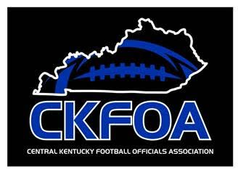
 |  |  |  | KHSAA
 |  |  |  | Officials Supervisor, Keith Morgan
 |  |  | Please share your entire game or selected plays on HUDL. Our officiating "team" is called Central Kentucky Football Officials Association.

Home Team |  | Boyle County - Justin Haddix
Visiting Team |  | Bryan Station - Phillip Hawkins
Date |  | Saturday, 8/31/2024

Referee |  | Joe Ammerman
Umpire |  | Brandon Shields
Head Linesman | 1st Half | Aaron Haney
Side Judge | 1st Half | Keith Balesk
Line Judge | 2nd Half | Chris Turley
Field Judge | 2nd Half | Greg Schloemer
Back Judge |  | Jaron Givens

PA
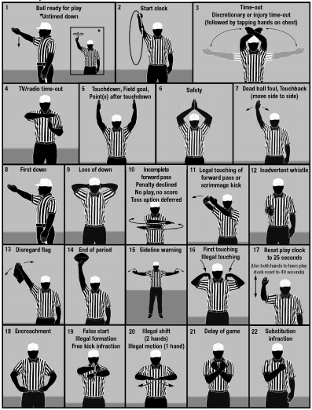
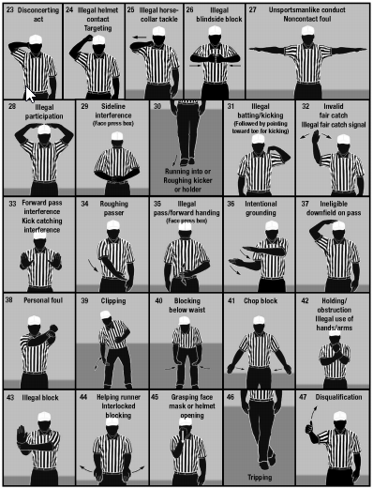

KHSAA Football Officiating Crew
Bryan Station Defenders at Boyle County Rebels

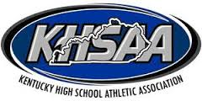
Saturday, 8/31/2024 Boyle County
 | Referee | Joe Ammerman
 | Umpire | Brandon Shields
 | Head Linesman | Aaron Haney
 | Line Judge | Chris Turley
 | Side Judge | Keith Balesk
 | Field Judge | Greg Schloemer
 | Back Judge | Jaron Givens

