Coach
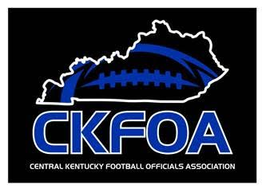
 |  |  |  | KHSAA
 |  |  |  | Officials Supervisor, Keith Morgan
 |  |  | Please share your entire game or selected plays on HUDL. Our officiating "team" is called Central Kentucky Football Officials Association.

Home Team |  | Montgomery County - Coach Michael Caba
Visiting Team |  | Mason County - Coach Joseph Wynn
Date and Time |  | Friday, 8/30/2024

Referee |  | Joe Ammerman
Umpire |  | Brandon Shields
Head Linesman | 1st Half | Chris Turley
 | 2nd Half | Aaron Haney
Line Judge | 1st Half | Aaron Haney
 | 2nd Half | Chris Turley
Back Judge |  | Jaron Givens

 |  |  |  | KHSAA
 |  |  |  | Officials Supervisor, Keith Morgan
 |  |  | Please share your entire game or selected plays on HUDL. Our officiating "team" is called Central Kentucky Football Officials Association.

Home Team |  | Montgomery County - Coach Michael Caba
Visiting Team |  | Mason County - Coach Joseph Wynn
Date and Time |  | Friday, 8/30/2024

Referee |  | Joe Ammerman
Umpire |  | Brandon Shields
Head Linesman | 1st Half | Chris Turley
 | 2nd Half | Aaron Haney
Line Judge | 1st Half | Aaron Haney
 | 2nd Half | Chris Turley
Back Judge |  | Jaron Givens

PA
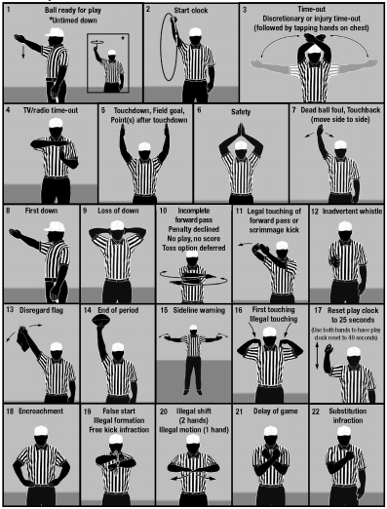
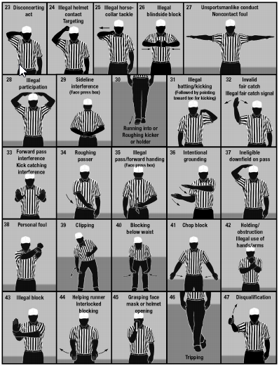

KHSAA Football Officiating Crew
Mason County Royals at Montgomery County Indians

Friday, 8/30/2024 Montgomery County

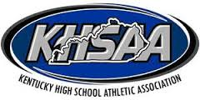
 | Referee | Joe Ammerman
 | Umpire | Brandon Shields
 | Head Linesman | Aaron Haney
 | Line Judge | Chris Turley
 | Back Judge | Jaron Givens

